Brand_ratings
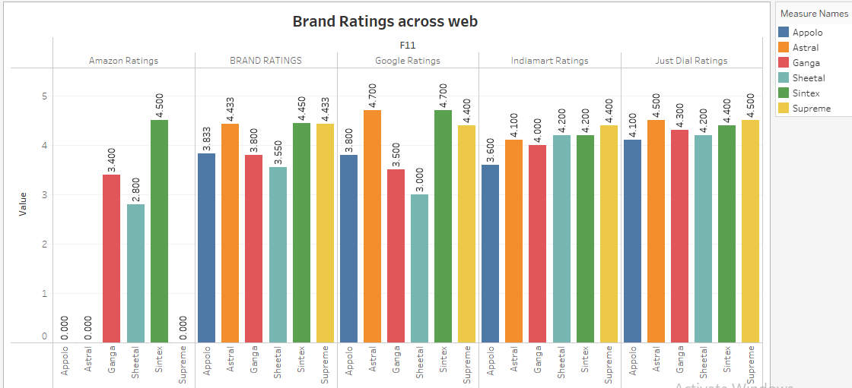
 | SHEETAL | GANGA | SINTEX | SUPREME | ASHIRWAD | APPOLO | ASTRAL
BRAND RATINGS | 3.6 | 3.8 | 4.5 | 4.43 | 4.20 | 3.83 | 4.43
Google Ratings | 3 | 3.5 | 4.7 | 4.4 | 4.4 | 3.8 | 4.7
Just Dial Ratings | 4.2 | 4.3 | 4.4 | 4.5 | 4.5 | 4.1 | 4.5
Indiamart Ratings | 4.2 | 4 | 4.2 | 4.4 | 3.7 | 3.6 | 4.1
Amazon Ratings | 2.8 | 3.4 | 4.5 | 0 | 0 | 0 | 0
Average rating | 3.55 | 3.80 | 4.45 | 3.55 | 3.36 | 3.07 | 3.55

Brandrevenue
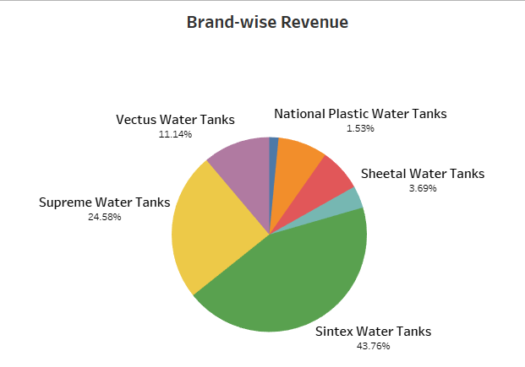
Brands | Revenue (Cr)
Sintex Water Tanks | 3,203.86
Supreme Water Tanks | 1800
Vectus Water Tanks | 816
Ocean Water Tanks | 600
Plasto Water Tanks | 520
Sheetal Water Tanks | 270
National Plastic Water Tanks | 112

Supply_chain_rating
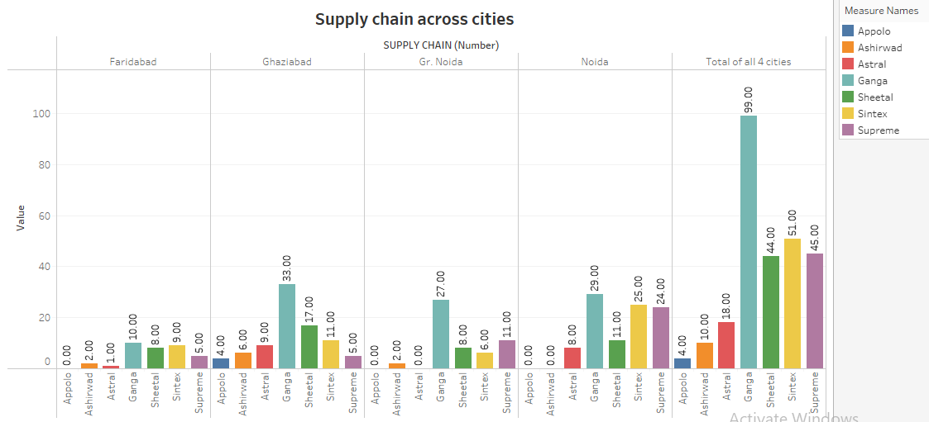
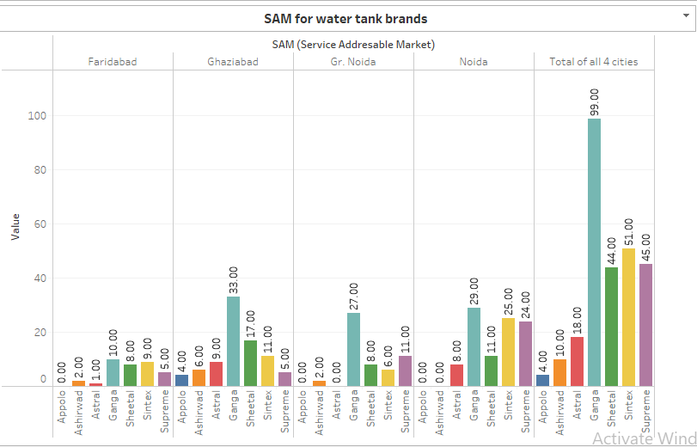
SUPPLY CHAIN (Number) | SHEETAL | GANGA | SINTEX | SUPREME | ASHIRWAD | APPOLO | ASTRAL
Ghaziabad | 17 | 33 | 11 | 5 | 6 | 4 | 9
Gr. Noida | 8 | 27 | 6 | 11 | 2 | 0 | 0
Noida | 11 | 29 | 25 | 24 | 0 | 0 | 8
Faridabad | 8 | 10 | 9 | 5 | 2 | 0 | 1
Total of all 4 cities | 44 | 99 | 51 | 45 | 10 | 4 | 18

Market share
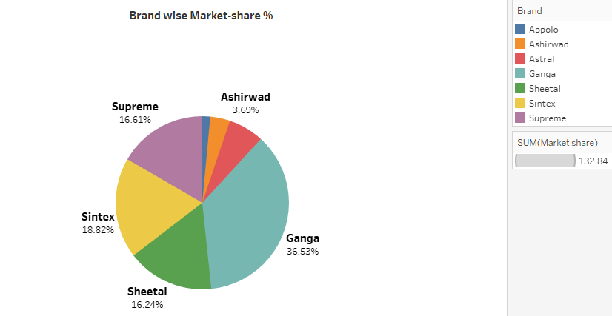
Cities | Ghaziabad | Greater Noida | Noida | Faridabad | Total Stores
TAM (Total Addresable Market) | 57 | 44 | 51 | 52 | 204
SAM (Service Addresable Market) | SHEETAL | GANGA | SINTEX | SUPREME | ASHIRWAD | APPOLO | ASTRAL
Ghaziabad | 17 | 33 | 11 | 5 | 6 | 4 | 9
Gr. Noida | 8 | 27 | 6 | 11 | 2 | 0 | 0
Noida | 11 | 29 | 25 | 24 | 0 | 0 | 8
Faridabad | 8 | 10 | 9 | 5 | 2 | 0 | 1
Total of all 4 cities | 44 | 99 | 51 | 45 | 10 | 4 | 18
Market Share(No. of stores/Total Stores) % | SHEETAL | GANGA | SINTEX | SUPREME | ASHIRWAD | APPOLO | ASTRAL
Ghaziabad | 29.8 | 57.9 | 19.3 | 8.8 | 10.5 | 7.0 | 15.8
Gr. Noida | 18.2 | 61.4 | 13.6 | 25.0 | 4.5 | 0.0 | 0.0
Noida | 21.6 | 56.9 | 49.0 | 47.1 | 0.0 | 0.0 | 15.7
Faridabad | 15.4 | 19.2 | 17.3 | 9.6 | 3.8 | 0.0 | 1.9
Brands | SHEETAL | GANGA | SINTEX | SUPREME | ASHIRWAD | APPOLO | ASTRAL
Total of all 4 cities | 21.6 | 48.5 | 25.0 | 22.1 | 4.9 | 2.0 | 8.8

